DashLiveExe
Equity Curve (NET) vs Date

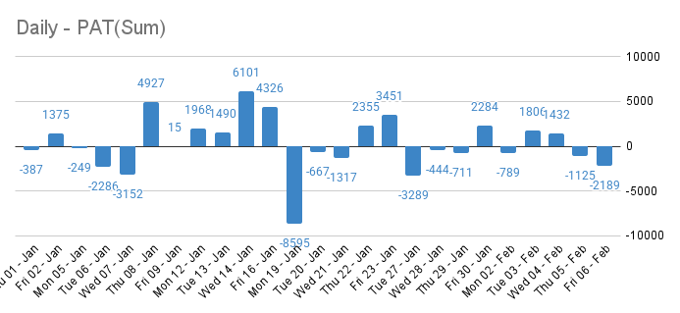
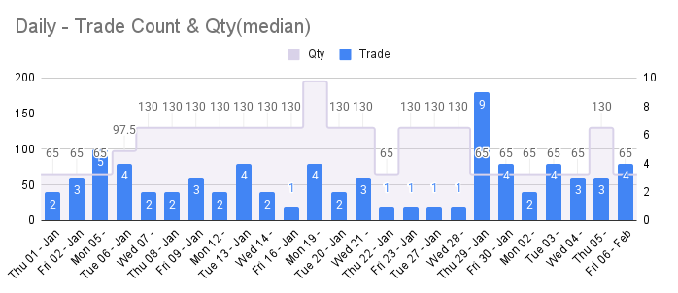

Points - PerTrade
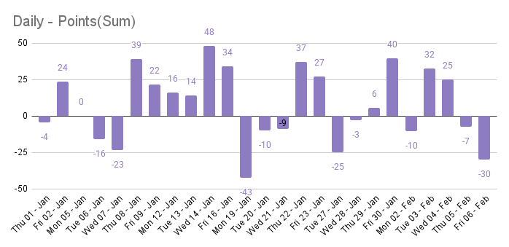

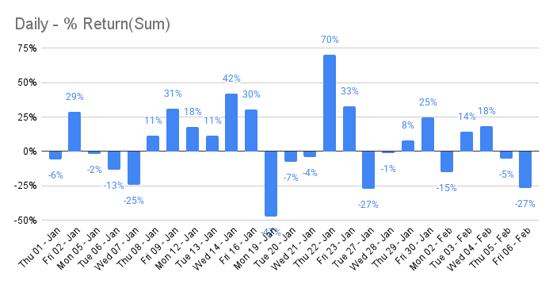
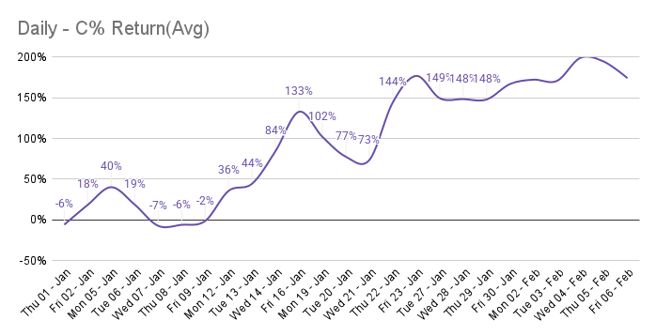

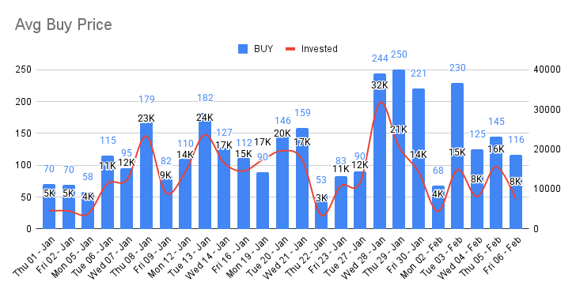
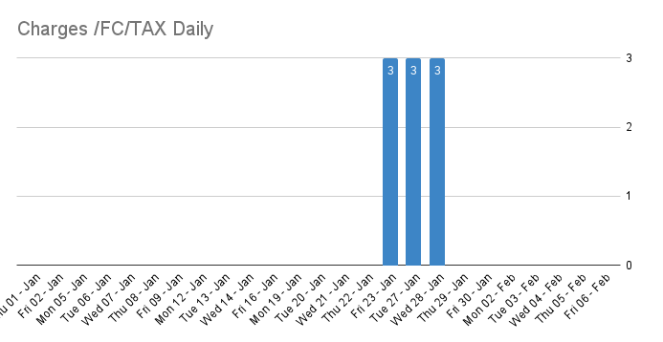

2026-02-06
Total trade | 2 | Total Point | -30 | Conti trade | 0
Avg Buy | 116 | Total Pat | -2,189 | Reversal Trade | 0
Avg sell | 108 | T FC (Tax) | 160 | Manual Trade | 0
%Retrun | -27% | Avg Inv | 7,532 | Long trade | 0
Lot | 1 | Per Lot Amt | -2,189 | Short trade | 0
Max Dur | 0:14:58 | Min Dur | 0:09:41

Life Time Data |  |  |  |  | ATH Data
Net Pt | 185 | Total Gain | 26 |  | Heads | AvgPT | Avg Amt | ATH PT | ATH Amt | Date
Net P/L | #REF! | Total Loss | 46 |  | Gain | 20 | 1,893 | 48 | 6,195 | 2026-01-13
Net % | 167% | Total Trade | 72 |  | Loss | -7 | -818 | -25 | -3,224 | 2026-01-27
T. Brokrage | 2,880 | Accu % | 36%
T. Gov | 2,376
T.FC | 5,256

Str Entry
Str | Conti | Reversal | No Record | FIB ENTRY | Manual | Net
Gain | #N/A | #N/A | #N/A | #N/A | #N/A | #N/A
Loss | #N/A | #N/A | #N/A | #N/A | #N/A | #N/A
Sum | #N/A | #N/A | #N/A | #N/A | #N/A | #N/A
Count | 25 | 9 | 8 | 2 | 11

TABLES
Date | Day P/L | Equity Curve
2026-01-01 | -387 | -387
2026-01-02 | 1375 | 988 | C
2026-01-05 | -249 | 739 | C
2026-01-06 | -2286 | -1547 | no video
2026-01-07 | -3152 | -4699 | C
2026-01-08 | 4927 | 228 | C
2026-01-09 | 15 | 243 | C
2026-01-12 | 1968 | 2211 | C
2026-01-13 | 1490 | 3701 | C
2026-01-14 | 6101 | 9802 | C
2026-01-16 | 4326 | 14128
2026-01-19 | -8595 | 5533
2026-01-20 | -667 | 4866
2026-01-21 | -1317 | 3549
2026-01-22 | 2355 | 5904
2026-01-23 | 3451 | 9355
2026-01-27 | -3289 | 6066
2026-01-28 | -444 | 5622
2026-01-29 | -711 | 4911
2026-01-30 | 2284 | 7195
2026-02-02 | -789 | 6406
2026-02-03 | 1806 | 8212
2026-02-04 | 1432 | 9644
2026-02-05 | -1125 | 8519
2026-02-06 | -2189 | 6330

 |  |  | C
 |  |  | C
 |  |  | C
 |  |  | C
 |  |  | C
 |  |  | C
 |  |  | C
 |  |  | C
 |  |  | C

Equity Curve vs Date

